w2
 | What is true about the tensors w and b ?
y | we have to learn them, so we set the parameter requires_grad to true.
 | they are 2D
 | Un-selected is correct
y | they are parameters of our model

 | Consider the following lines of code. How many Parameters does the object model have?
 | from torch.nn import Linear
 | model=Linear(in_features=1,out_features=1)
y | 2

 | consider the following lines of code :

 | # Constructor
 | def __init__(self, input_size, output_size):

 | # Inherit from parent
 | super(LR, self).__init__()
 | self.linear = nn.Linear(input_size, output_size)

 | # Prediction function
 | def forward(self, x):
 | out = self.linear(x)
 | return out

 | lr = LR(1, 1)

 | X= torch.tensor([[1.0], [2.0], [3.0]])

 | yhat=lr(X)

 | How many elements does the tensor yhat have?
 | 1
 | 2
y | 3

 | what is wrong with the following lines of code:
 | class LR():

 | # Constructor
 | def __init__(self, input_size, output_size):

 | # Inherit from parent
 | super(LR, self).__init__()
 | self.linear = nn.Linear(input_size, output_size)

 | # Prediction function
 | def forward(self, x):
 | out = self.linear(x)
 | return out
y | its missing nn.Module
 | there is no call function
 | 1 point
 | 2.Question 2
 | what is wrong with the following lines of code:
 | class LR(nn.Module):

 | # Constructor
 | def __init__(self, input_size, output_size):

 | # Inherit from parent
 | super(dog, self).__init__()
 | self.linear = nn.Linear(input_size, output_size)

 | # Prediction function
 | def forward(self, x):
 | out = self.linear(x)
 | return out
y | super(dog, self) should be super(LR, self)
 | there is no call function
 | 1 point

 | For linear regression, what is the assumption about the noise
y | It is Gaussian noise
 | It is Laplacian noise
 | It has zero variance

 | In linear regression, the noise can best be characterized by :
 | we multiply small values to the linear model
y | we add small values to the linear model
 | 1 point
 | 2.Question 2
 | An application of linear regression can be
 | classify house as over priced
y | Predicting housing prices (y) giving the size of the house (x)
 | 1 point

 | the loss
y | lets you know how good your estimate is
y | is dependent on your parameter value
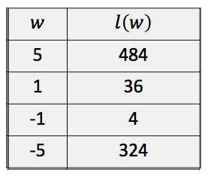
-1 | The following table shows some possible values of our parameter and and the value of the loss generated, what value would you select :

 | 1 point
 | 2.Question 2
 | Our linear function is a function of the:

y | x
 | b
 | w
 | 1 point

 | In gradient descent, what happens when you select a learning rate that is too large?
y | You may miss the minimum and your loss will start increasing
 | It may take to long to converge to a minimum
 | The loss function will become concave
 | 1 point
 | 2.Question 2
 | How do you select an initial parameter value for the first iteration of gradient descent?
 | Set it to 100
 | It should always be 0
y | Randomly
 | 1 point

 | The cost is
y | The average or total loss

 | Gradient descent is sometimes called
y | batch gradient decent

 | For linear regression, what is true about the cost?
y | It is the sum or average of loss
y | It is a measure of how well your model can predict the data
y | It is a function of the slope and bias
 | 1 point
 | 2.Question 2
 | Gradient Descent is sometimes referred to as Batch Gradient Descent?
y | TRUE
 | FALSE
 | 1 point

 | Your loss is a fuction of w. What method will calculate or accumulate gradients of your loss?
 | w.grad
y | loss.backward()

 | True of False for batch gradient descent, one iteration is epoch
y | TRUE

 | What does the following line of code do :
 | w.grad.data.zero_()
 | calculate the iteration
 | update parameters
y | zero the gradients before running the backward pass
 | 1 point
 | 2.Question 2
 | What does the following line of code do :
 | w.data = w.data - lr * w.grad.data
 | calculate the iteration
 | zero the gradients before running the backward pass
y | update parameters
 | 1 point

 | An epoch is
y | complete presentation of the data set
 | a type of loss

 | The loss is a function of w and b. What is wrong with the following lines of code?
 | w.data=w.data-lr*w.grad.data
 | b.data=b.data-lr*b.grad.data
 | loss.backward()
 | b.data is not an attribute
 | w.data is not an attribute
y | You need to call loss.backward() before you have access to the gradient of w and b

 | Your loss is a fuction of w and b. What method will calculate or accumulate gradients of your loss?
y | loss.backward()
 | loss.grad
 | w.grad and b.grad
 | 1 point

 | in Stochastic gradient descent we:
y | use one sample at a time
 | use all the samples

 | What is a problem with Stochastic Gradient Descent
y | the approximate cost will fluctuate rapidly
 | you can't hold all the samples in memory

 | True or false in stochastic gradient descent: one epoch is the same as one iteration
 | TRUE
y | FALSE

1 | How many samples at a time do you use for stochastic gradient descent?

 | 2.Question 2
 | What is correct about stochastic gradient descent? (select all that apply)
y | The loss may exhibit sudden increases
 | The loss must be linear
y | It's an approximation of batch gradient descent

 | What best describes mini-Batch Gradient Descent
y | Using multiple samples at a time to perform one iteration of Gradient Descent
 | Using all the samples at a time to perform one iteration of Gradient Descent

 | What is the batch size giving the following line of code:
 | DataLoader(dataset = dataset, batch_size = 100)
y | 100
 | 5
 | 10

2 | You have 100 samples of data and your batch size is 50. How many iterations will it take to go through 1 epoch?

 | 2.Question 2
 | Consider the dataset class Data(). How would you create a data loader object trainloader with a batch size of 3?
y | data_set=Data()
 | trainloader=DataLoader(dataset=data_set,batch_size=3)

 | Consider the object model, select the correct way us the optim package
 | 1
 | optimizer = optim.SGD(model, lr=0.01, momentum=0.9)
y | optimizer = optim.SGD(model.parameters(), lr=0.01, momentum=0.9)

 | optimizer.step() dose what:
y | updates the parameters
 | differentiates the loss

 | What's missing from the following code?
 | yhat=model(x)
 | loss=criterion(yhat,y)
 | loss.backward() | 插入optimizer.zero_grad()
 | optimizer.step()
y | Does not clear the gradient
 | There is no prediction
 | There is no Backward pass
 | 1 point
 | 2.Question 2
 | What's wrong with the following lines of code?
 | optimizer = optim.SGD(model.parameters(), lr = 0.01)
 | model=linear_regression(1,1)
y | The model object has not been created. As such, the argument that specifies what Tensors should be optimized does not exist
 | There is no loss function
 | You have to clear the gradient
 | 1 point

 | The following in as example of a Hyperparameter ?
 | bias
y | learning rate
 | slope

 | The list learning_rate contains different:
 | models trained with different learning rates
y | learning rates

 | For linear regression what are the Hyperparameters?
y | Bach size
y | Learning rate
 | Slope ,Bias
 | 1 point
 | 2.Question 2
 | Data validation is used
y | find the values of hyperparameters
 | fit the parameters
 | 1 point

w3
 | consider the following vector-valued equation:
 | y=xw+b
 | What is true:
 | b is a vector
 | y is a vector
y | you take the dot product of w and x

 | How would you create a linear object with ten input features?
 | model=nn.Linear(1,10)
y | model=nn.Linear(10,1)

6 | if x is five dimensions how many variables is your cost, or average loss function have
 | 5 variables + bias

7 | Including the bias how many parameters does the following object have
 | model=nn.Linear(6,1)

 | 2.Question 2
 | Consider the following code. How many rows and columns does the tensor yhat contain?
 | X=torch.tensor([[1.0,1.0,1],[1.0,2.0,1],[1.0,3.0,1],[1.0,3.0,1]])
 | model=nn.Linear(3,1)
 | yhat=model(X)
 | 4,1
 | 3,1
 | 4,4

 | 3.Question 3
11 | If the input to our linear regression object is of 10 dimensions, including the bias, how many variables does our cost or total loss function contain?

 | How would you create a linear object with ten input features?
 | model=nn.Linear(1,10)
y | model=nn.Linear(10,1)
 | 1 point
 | 3.Question 3
 | How do you calculate the gradient and perform the update for Multiple Linear Regression with 10 input variables?
 | 1
 | loss.backward(d=10)
 | optimizer.step(d=10)
 | 2
 | loss.backward()
 | optimizer.step(d=10)
 | 3
y | loss.backward()
 | optimizer.step()

 | What parameters do you have to change to the method backwards() when you train Multiple Output Linear Regression compared to regular Linear Regression?
 | all of them
y | none of them
 | You have to specify the number of the output variables

 | TOTAL POINTS 2
 | 1.Question 1
10 | How many bias parameters will object model have?
 | class linear_regression(nn.Module):
 | def __init__(self,input_size,output_size):
 | super(linear_regression,self).__init__()
 | self.linear=nn.Linear(input_size,output_size)
 | def forward(self,x):
 | yhat=self.linear(x)
 | return yhat

 | model=linear_regression(3,10)
 | Preview

 | 2.Question 2
 | What parameters do you have to change to the method backwards() when you train Multiple Output Linear Regression compared to regular Linear Regression?
y | None of them
 | You have to specify the number of the output variables
 | All of them

 | why do we use a threshold function
y | to covert the continuous value z to a discrete value
 | to amplify the values if z

 | the output of the logistic functions ranges from
y | 0 to 1

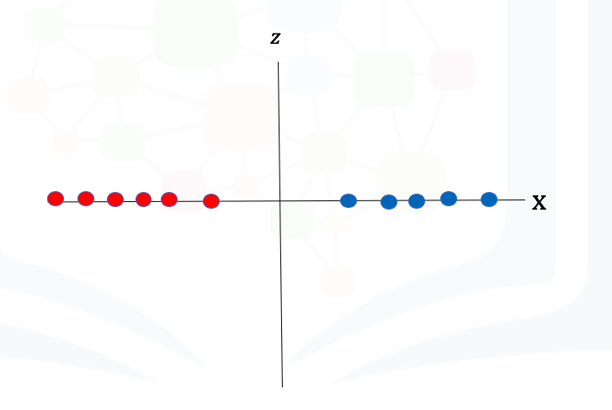
 | Is the following dataset linearly separable?

y | yes
 | no
 | 1 point
 | 2.Question 2
 | The logistic function can be interpreted as:
y | Probability
 | integer value

 | True or False? The following samples can be used for classifications for the variable y: 0,1.4, 0.11?
y | FALSE
 | TRUE
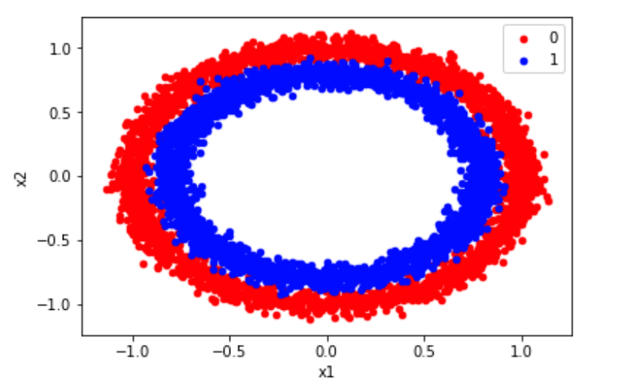
 | 2.Question 2
 | True or False the following dataset is linearly separable:

y | FALSE
 | TRUE

 | Consider the line z=ax+b if the value for X1 is used as an input, what would the value of z be?
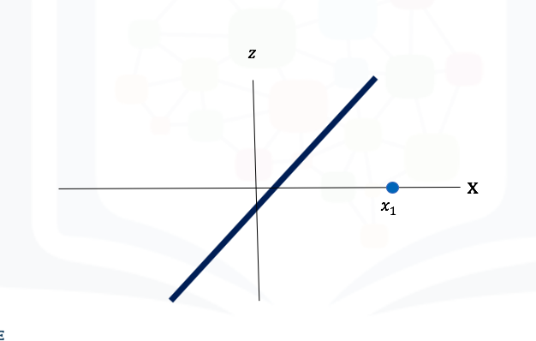

 | Less than zero
y | Greater then zero
 | 1

 | 1.Question 1
TRUE | True or False? The following samples can be used for classifications for the variable y: 0,1.0, 0.11?

 | the line fo code nn.Sigmoid()
 | is a function
y | is a constructor

 | What's the difference between a linear regression custom module and a logistic regression custom module
 | nothing
y | we apply the logistic function

 | What line of code is equivalent to:
 | model = nn.Sequential(nn.Linear(2, 1), nn.Sigmoid())

y | class logistic_regression(nn.Module):

 | # Constructor
 | def __init__(self, n_inputs):
 | super(logistic_regression, self).__init__()
 | self.linear = nn.Linear(n_inputs, 1)
 | # Prediction
 | def forward(self, x):
 | yhat = torch.sigmoid(self.linear(x))
 | return yhat
 | model = logistic_regression(1)

 | yhat = torch.sigmoid(self.linear(x))

 | 2.Question 2
 | How many parameters does the following model have:
 | model = nn.Sequential(nn.Linear(1, 1), nn.Sigmoid())
 | 1
 | o
y | 2

 | .Question 2
 | How would you apply the sigmoid function to the tensor z
 | z=torch.arange(-100,100,0.1).view(-1, 1)

y | sig=nn. Sigmoid ()
 | yhat=sig(z)

y | yhat= torch.sigmoid(z)

 | The best parameter value of Theta
y | maximizes the likelihood
 | minimizes the likelihood

 | To fine the parameter values of the Bernoulli Distribution, we do not maximize the likelihood function but the:
y | log of the likelihood function
 | the root mean square error
 | 1 point
 | 2.Question 2
 | The location of the maximum of the likelihood
 | will change if we take the log
y | is not changed by taking the log
 | 1 point

 | What's the problem with using the cost function generated using the threshold function
y | It is flat in some regions
 | It produces values that are two large

 | An advantage of the cross-entropy loss
y | The only flat point is at the minimum
 | it has a closed-form expression for the minimum.

 | What cost function should used for logistic regression?
y | Cross Entropy
 | Mean Squared Error

 | 2.Question 2
 | What function does the following lines of code perform:
 | def criterion(yhat,y):
 | out = - 1 * torch.mean(y * torch.log(yhat) + (1 - y) * torch.log(1 - yhat))

 | return out
y | calculate the Cross Entropy loss or cost.
 | calculate the mean squared error

 | Whats the problem with obtaining the parameters for Logistic Regression and mean squared error
y | during training, you may not reach the minimum of the cost surface
 | nothing, you should always use the mean squared error

w4
 | What method would you use to classify three classes
 | linear regression
 | logistic regression
y | softmax

 | For softmax in multiple dimensions, the parameter w for each class is a
 | scaler
y | vector
 | matrix
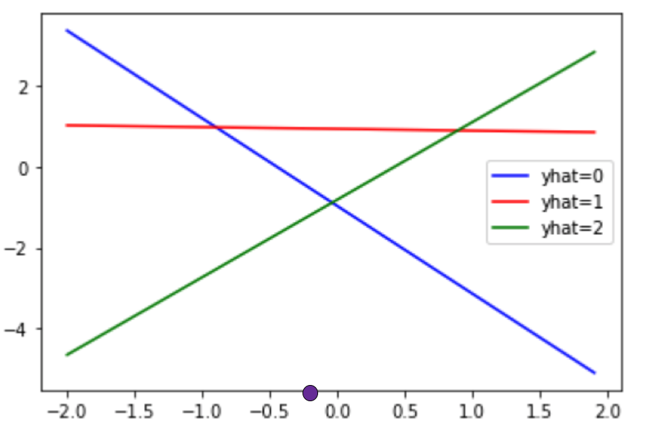
 | How would you classify the purple point given the three lines used in a softmax classifier:

 | yhat=0 or blue
y | yhat=1 or red
 | yhat=2 or green
 | 1 point
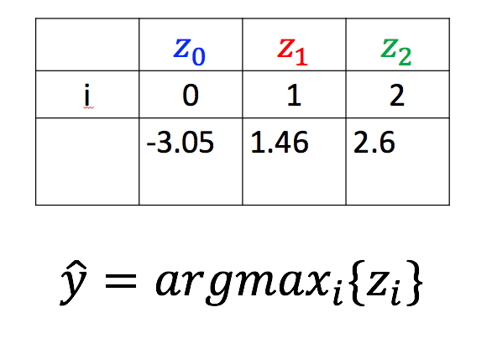
 | 2.Question 2
 | Consider the following output of the lines used in the softmax function shown in the following table. What will be the value of yhat ?

 | yhat=0
 | yhat=1
y | yhat=2
 | 1 point

 | Consider the following lines of code, what is yhat?
 | 1
 | 2
 | 3
 | z = torch.tensor([[2,5,0]])
 | _, yhat = z.max(1)
y | tensor([1])
 | tensor([2])

 | Consider the following lines of code, what is yhat?
 | z = torch.tensor([[10,5,0],[10,8,2],[10,5,1]])
 | _, yhat = z.max(1)
 | tensor([5,10,5])
y | tensor([0, 0, 0])
 | tensor([1,0,0])

 | 2.Question 2
 | We have two input features and four classes , what are the parameters for Softmax() constructor according to the above code?
 | class Softmax (nn.Module):
 | def __init__(self, in_size, out_size):
 | super(Softmax, self).__init__()
 | self.linear=nn.Linear(in_size, out_size)
 | def forward(self, x):
 | out=self.linear(x)
 | return out
 | Sofmax(4,2)
 | Sofmax(4,4)
y | Sofmax(2,4)

 | 1.Question 1
 | What is the purpose of the following line of code?
 | 1
 | x.view(-1,28*28 )
 | We would like to view the first 28 elements of a tensor
 | We need to multiply every element by 28
y | Images are square and we have to convert them to a vector

 | 2.Question 2
 | what does the following line of code do.
 | 1
 | train_dataset = dsets.MNIST(root='./data', train=True, download=True, transform
 | =transforms.ToTensor())
 | Provide the training images and testing images
y | Provide the training labels and images as tensors

 | Consider the following neural network model or class:
 | class Net(nn.Module):
 | def __init__(self,D_in,H,D_out):
 | super(Net,self).__init__()
 | self.linear1=nn.Linear(D_in,H)
 | self.linear2=nn.Linear(H,D_out)

 | def forward(self,x):
 | x=torch.sigmoid(self.linear1(x))
 | x=torch.sigmoid(self.linear2(x))
 | return x
 | How many hidden neurons does the following neural network object have?
 | 1
3 | model=Net(1,3,1)
 | 1 point
 | 2.Question 2
 | What's wrong with the following function :
 | ]:
 | class Net(nn.Module):
 | def __init__(self,D_in,H,D_out):
 | super(Net,self).__init__()
 | self.linear1=nn.Linear(D_in,H)
 | self.linear2=nn.Linear(H,D_out)

 | def forward(self,x):
 | x=torch.sigmoid(linear1(x))
 | x=torch.sigmoid(linear2(x))
 | return x
 | nothing
y | you did not call self.linear1(x) and self .linear2(x)
 | 1 point

 | Consider the lines of code in the class or module of a neural network. What is true about the variable B
 | self.linear1 = nn.Linear(A, B)
 | self.linear2 = nn.Linear(C, D)
y | B is the number of hidden neurons
y | if linear1 is the hidden layer and linear2 is the output layer then B must equal C

 | Consider the following neural network model or class:
 | class Net(nn.Module):
 | def __init__(self,D_in,H,D_out):
 | super(Net,self).__init__()
 | self.linear1=nn.Linear(D_in,H)
 | self.linear2=nn.Linear(H,D_out)

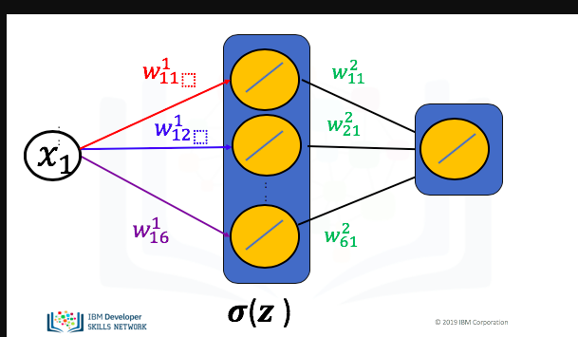
 | def forward(self,x):
 | x=torch.sigmoid(self.linear1(x))
 | x=torch.sigmoid(self.linear2(x))
 | return x
6 | How many hidden neurons does the following neural network object have?
 | 1
 | model=Net(1,6,1)

 | 2.Question 2
6 | Consider the following graph used to represent a neural network, using the index on the parameters determine the number of neurons in the hidden layer:
 | Screen Shot 2019-10-09 at 1.21.55 PM.png

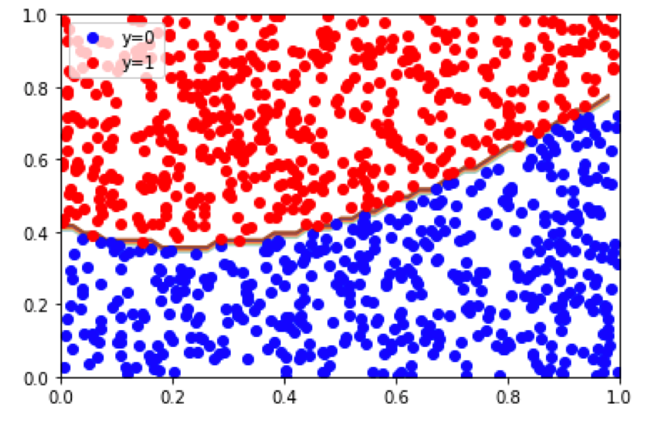
 | True or False? The following dataset is linearly separable?

y | FALSE
 | TRUE

 | 2.Question 2
4 | How many dimensions is the input for the following neural network object:
 | class Net(nn.Module):
 | def __init__(self,D_in,H,D_out):
 | super(Net,self).__init__()
 | self.linear1=nn.Linear(D_in,H)
 | self.linear2=nn.Linear(H,D_out)

 | def forward(self,x):
 | x=torch.sigmoid(self.linear1(x))
 | x=torch.sigmoid(self.linear2(x))
 | return x

 | model=Net(4,10,1)

5 | how many neurons to you need in the output layer for a classification problem with five classes

 | model = torch.nn.Sequential( torch.nn.Linear(input_dim.hidden_dim), torch.nn.Sigmoid() , torch.nn.Linear(hidden_dim, output_dim), torch.nn.Sigmoid())
FALSE | Is the above code the correct one for multi-class Network?

 | Select the correct cost function for a Multi-Class Network network :
y | nn.CrossEntropyLoss()
 | nn.BCELoss()

 | 2.Question 2
 | The prediction step in a multi-class neural network utilizes the same procedure as the softmax function
y | TRUE
 | FALSE

 | What is Backpropagation?
y | methods used to efficiently train artificial neural networks
 | a way to determine the derivative

 | One problem with using the sigmoid activation function with deep neural networks is
y | the value of the gradient of the sigmoid function becomes very small for the deeper hidden layers
 | the function has no solution for the derivative

 | True or False? If the derivative of all the sigmoid functions are approximately zero, therefore, when we apply the update equation for gradient decent, nothing will happen.
 | FALSE
y | TRUE

 | 2.Question 2
 | What is the reason for back-propagation?
 | Solving the overfitting problem of the neural network
y | There are too many redundant computations
 | prevent under-fitting
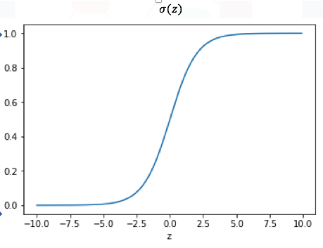
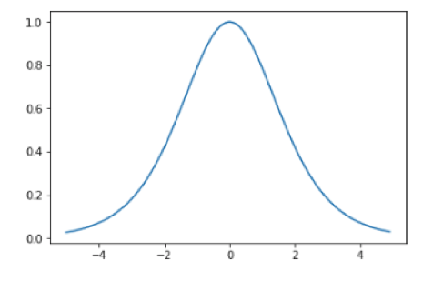
 | Select the image that has the same shape as the derivative of the sigmoid:

 | 2.Question 2
 | What is the approximate value of the product of a large number of terms that are approximately zero ? hit use the following image from the video:

y | 0
 | 1

 | TOTAL POINTS 3
 | 1.Question 1
 | Usually, what activation function would you use if you had more than 10 hidden layers?
y | Relu
 | Sigmoid
 | Tanh
 | 1 point
 | 2.Question 2
 | What is the problem with the tanh and sigmoid activation function?
 | They are discontinuous functions
 | You can't take the derivative
y | The derivative is near zero in many regions
 | They are periodic functions
 | 1 point
 | 3.Question 3
 | What activation function is used in the following class
 | class NetRelu(nn.Module):
 | def __init__(self,D_in,H,D_out): super(NetRelu
 | ,self).__init__()
 | self.linear1=nn.Linear(D_in,H)
 | self.linear2=nn.Linear(H,D_out)
 | def forward(self,x):
 | x=torch.relu(self.linear1(x)))
 | x=self.linear2(x)
 | return x
y | relu
 | tanh
 | Sigmoid
 | 1 point

w6
 | True or False ,one of the purpose of convolution is preserving the spatial relationship.
y | TRUE
 | FALSE
 | 1 point
 | 2.Question 2
 | Consider the following code:
 | 1
 | cov=nn.conv2d(in_channels=3,out_channels=1,kernel_size=2,stride=3,padding=1)
2 | how many rows and columns will be padded?
 | Preview
 | 1 point

 | How would you create a convolution object with a kernel size of 3
 | 1
y | conv = nn.Conv2d(in_channels=1, out_channels=1,kernel_size=3)
 | 1
 | conv = nn.Conv2d(in_channels=3, out_channels=3,kernel_size=2)
 | 1 point
 | 2.Question 2

 | 1.Question 1
 | Consider the following code:
 | z = torch.tensor([[0,0,-1],[-2,0,-2],[-1,0,-1]])
 | What is the output of torch.relu(z)?
y | tensor([[0,0,0],[0,0,0],[0,0,0]])
 | tensor([[1,0,-1],[2,0,-2],[1,0,-1]])
 | tensor([[1,0,-1],[2,0,-2],[-1,0,-1]])

 | 2.Question 2
 | What is the output of the following lined of code
 | z = torch.tensor([[[1,2,3,-4],[0.0,2.0,-3.0,0],[0,2,3,1],[0,0,0,0]]])
 | torch.nn.MaxPool2d(z,2, stride=2)
 | tensor([[[2., 3.],[2., 3.]]])
 | tensor([[[[2,3,3],[2,3,3],[2,3,3]]]])
 | will not run

 | Consider the following code:
 | z = torch.tensor([[1,0,-1],[2,0,-2],[1,0,-1]])
 | What is the output of torch.relu(z)?
y | tensor([[1,0,0],[2,0,0],[1,0,0]])
 | tensor([[1,0,-1],[2,0,-2],[1,0,-1]])
 | tensor([[0,0,-1],[0,0,-2],[0,0,-1]])

 | 2.Question 2
 | Consider the following code:
 | z = torch.tensor([[[1,2,3,-4],[0.0,2.0,-3.0,0],[0,2,3,1],[0,0,0,0]]])
 | max_ = torch.nn.MaxPool2d(2, stride=2)
 | What is the output of max_(z)?
 | tensor([[[[2,3,3],[2,3,3],[2,3,3]]]])
 | tensor([[[[0,-3,-4],[0,-3,-3],[0,0,0]]]])
y | tensor([[[2., 3.],[2., 3.]]])

 | 1.Question 1
 | Consider the following code:
 | conv = nn.Conv2d(in_channels=3, out_channels=3, kernel_size=3)
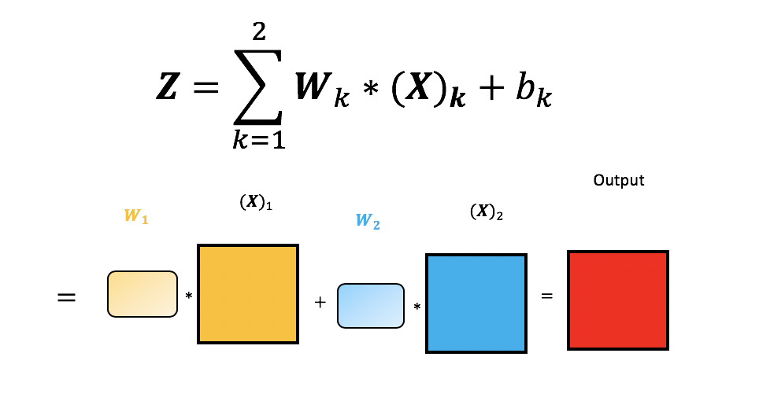
3 | How many kernels are there in total?
6 | Preview

 | 2.Question 2
2 | Use the following image or equation to determine the number of inputs :


 | 3.Question 3
2 | How many output channels does the following image have:
3

5 | Consider the output layer of a Convolutional Neural Network how many classes are there:
 | 1
 | self.fc1=nn.Linear(out_2*x*x,5)

 | 2.Question 2
 | How many non-convolutional layers dose the following neural network class or module have:

10
16
2

 | Select the lines of code to load a Pre-trained Model
y | model = models.densenet121(pretrained=True)
 | model = models.densenet121( )

 | 2.Question 2
 | The last layer of our pertained model is given by
 | model.classifier=nn.Linear(1024,7)
7 | Hoe many classes does our model have

